Sheet1
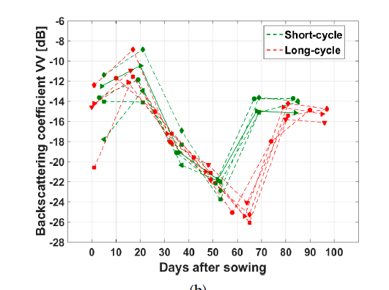
Num | Autors | Country | Year | Journals | Title | Period of study | Justification | keywords | Algorithms | Type (pattern, harvest etc.) | Co-variables | Sensors | Sofware for process the satellite images | Ideas | Index's | Obs

